Specification
 |  |  |  |  |  |  |  |  |  |  |  |  |  |  |  |  | 931
SEASON | IMAGE 1 | IMAGE 2 | IMAGE 3 | IMAGE 4 | COLOR DESCRIPTION | PRODUCT NAME | SUPPL. CATEGORY | SUPPL. DESCRIPTION | COMPOSITION 1 | PARENT GROUP | GENDER | BRAND | MADE IN | WHS | RRP | SIZE COUNT | QTY | UN | S | M | L | XL | 27 | 28 | 29 | 30 | 32/32 | 34/32
FW | 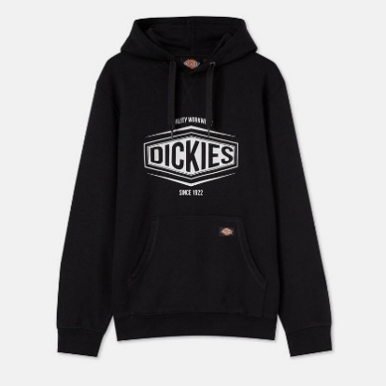 | 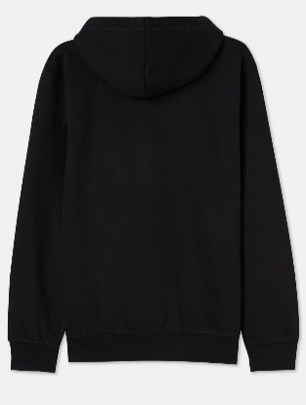 | 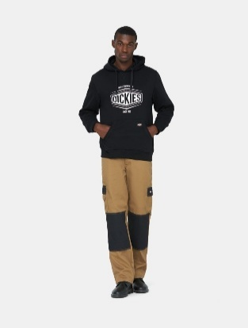 | 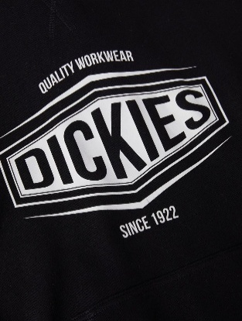 | BLACK | SWEATSHIRT | 209 - APP_TP_SWEATSHIRT | ROCKFIELD HOODIE (BCI) | 80% COTTON 20% POLYESTER | ADULT | MALE | DICKIES | BANGLADESH | €30.00 | €65.00 | 1 | 1 |  |  | 1
FW | 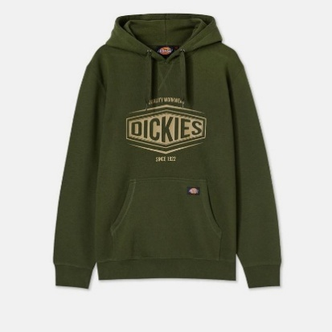 | 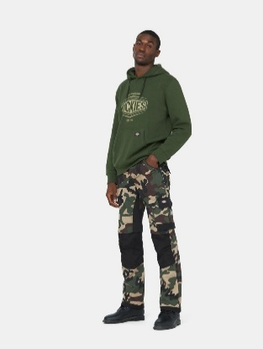 | 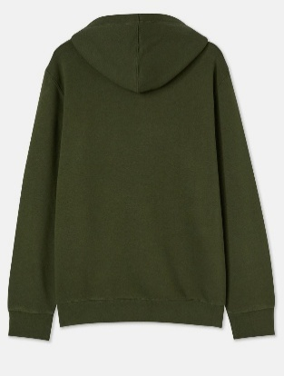 |  | OLIVE GREEN | SWEATSHIRT | 209 - APP_TP_SWEATSHIRT | ROCKFIELD HOODIE (BCI) | 80% COTTON 20% POLYESTER | ADULT | MALE | DICKIES | BANGLADESH | €30.00 | €65.00 | 1 | 1 |  |  | 1
FW | 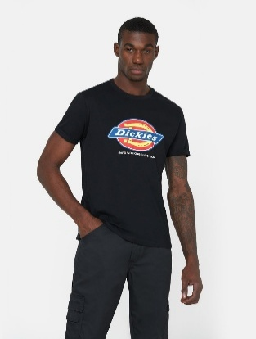 | 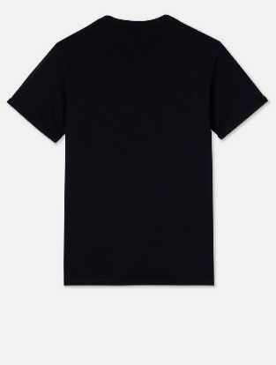 | 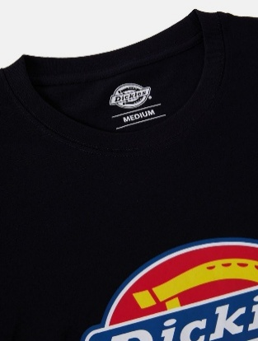 | 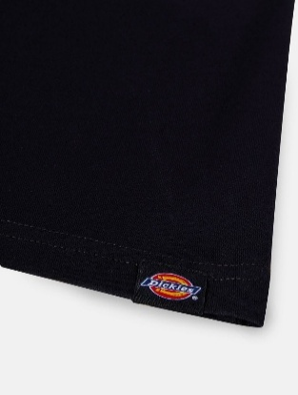 | BLACK | T-SHIRT | TOP | DENISON T-SHIRT | 100% COTTON | ADULT | MALE | DICKIES | BANGLADESH | €14.50 | €29.00 | 1 | 1 |  |  | 1
FW | 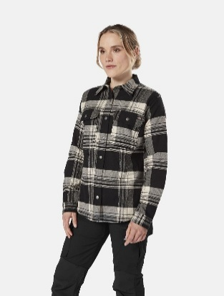 | 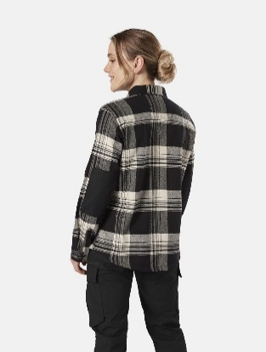 | 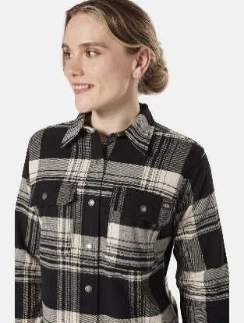 | 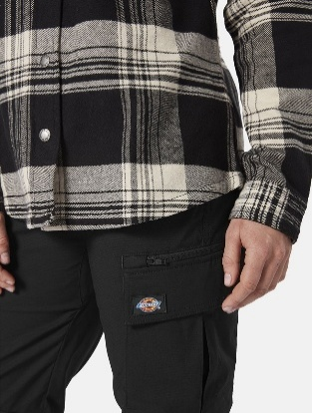 | BLK/ANT WHITE | SHIRT | 211 - APP_TP_WOVEN | RENEGADE FLANNEL | 50% POLYESTER 50% COTTON | ADULT | FEMALE | DICKIES | BANGLADESH | €33.65 | €79.00 | 2 | 13 |  | 4 |  | 9
FW | 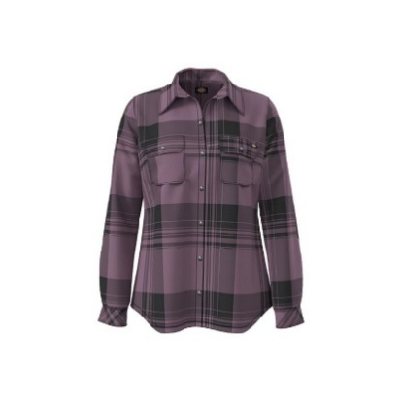 | 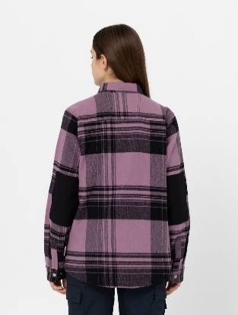 | 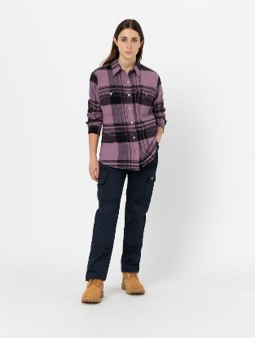 | 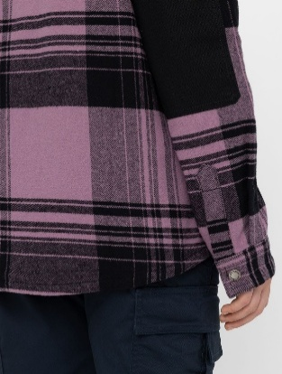 | GRAPEADE PLAID | SHIRT | 211 - APP_TP_WOVEN | RENEGADE FLANNEL | 50% POLYESTER 50% COTTON | ADULT | FEMALE | DICKIES | BANGLADESH | €33.65 | €79.00 | 2 | 3 |  |  |  | 1 | 2
FW | 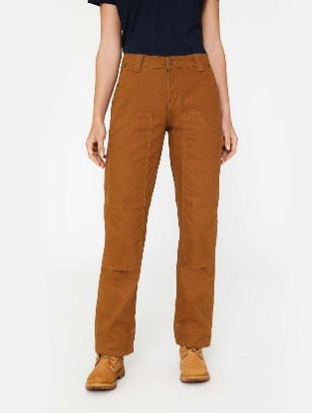 | 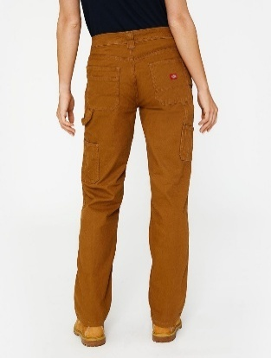 | 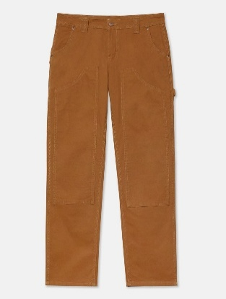 | 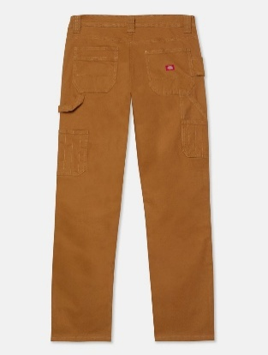 | BROWN DUCK | PANTS | BOTTOM | W CARPENTER PANT | 86% COTTON 13% POLYAMIDE 1% ELASTANE | ADULT | FEMALE | DICKIES | BANGLADESH | €33.65 | €75.00 | 3 | 28 |  |  |  |  |  | 8 | 10 | 10
FW | 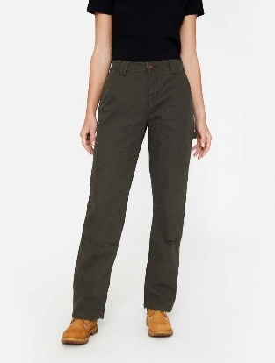 | 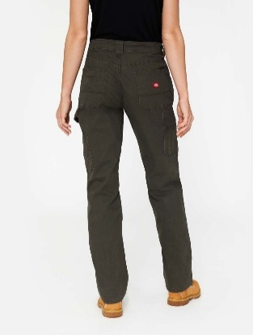 | 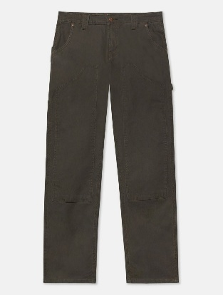 | 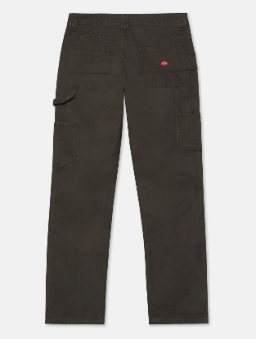 | RNSD MOSSGRN | PANTS | BOTTOM | W CARPENTER PANT | 86% COTTON 13% POLYAMIDE 1% ELASTANE | ADULT | FEMALE | DICKIES | BANGLADESH | €33.65 | €75.00 | 2 | 28 |  |  |  |  |  |  | 14 | 14
SS | 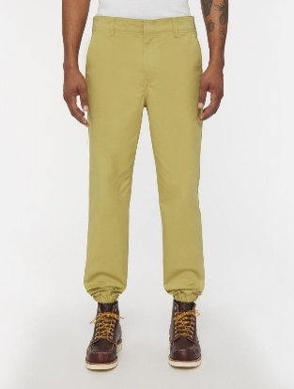 | 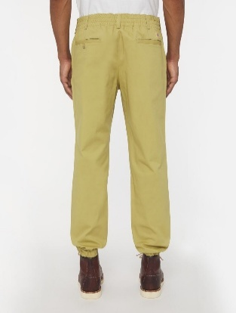 | 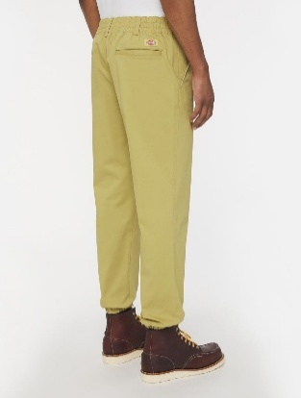 | 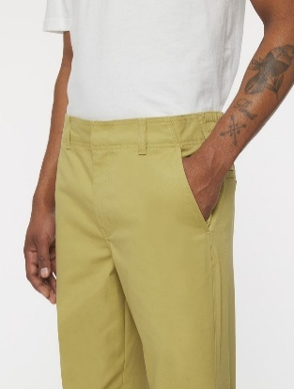 | KHAKI | JOGGINGS | BOTTOM | M UTILITY JOGGER PANT | 98% COTTON 2% SPANDEX | ADULT | MALE | DICKIES | CHINA | €32.50 | €65.00 | 2 | 48 |  |  |  |  |  |  | 24 |  | 24
FW | 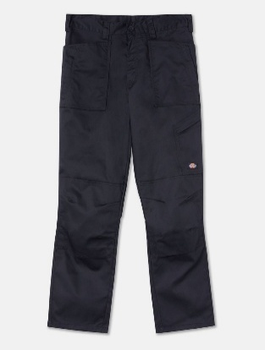 | 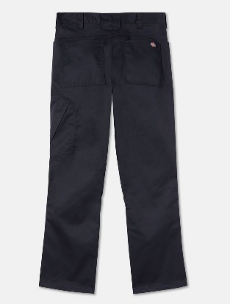 | 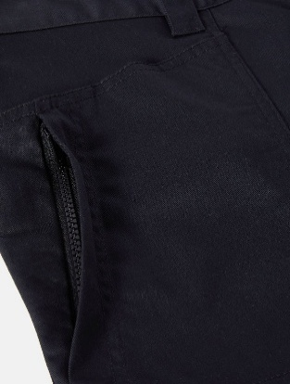 | 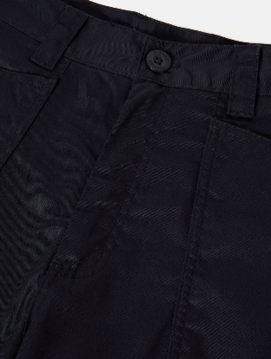 | BLACK | PANTS | DK_AP_MN_BOTTOM | ACTION FLEX TROUSER BLACK | 65% POLYESTER 35% COTTON | ADULT | MALE | DICKIES | BANGLADESH | €22.50 | €45.00 | 2 | 6 |  |  |  |  |  |  |  |  |  | 5 | 1
FW | 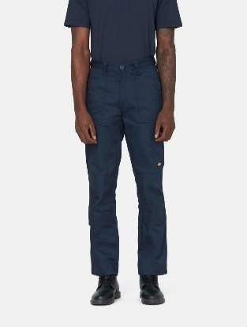 | 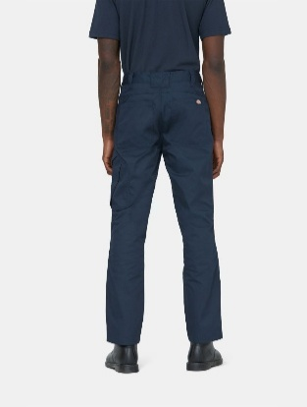 | 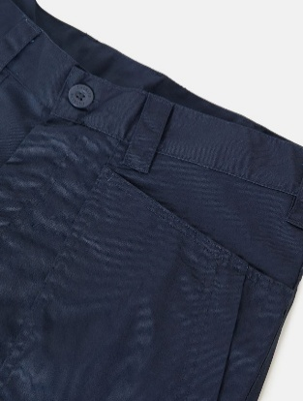 | 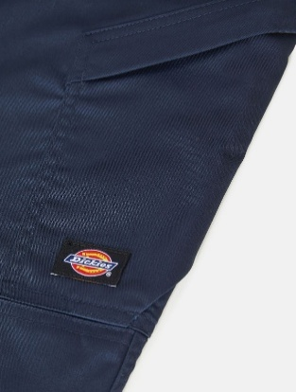 | NAVY BLUE | PANTS | DK_AP_MN_BOTTOM | ACTION FLEX TROUSER BLACK | 65% POLYESTER 35% COTTON | ADULT | MALE | DICKIES | BANGLADESH | €22.50 | €45.00 | 1 | 1 |  |  |  |  |  |  |  |  |  |  | 1
FW | 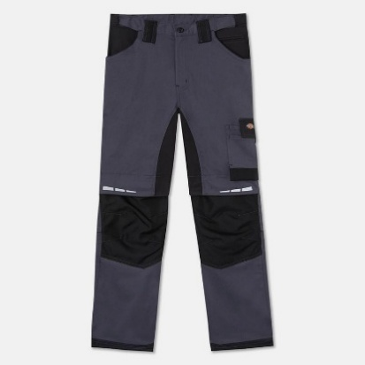 | 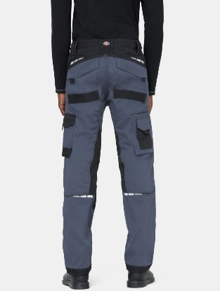 | 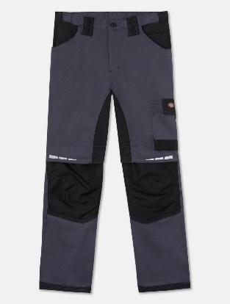 | 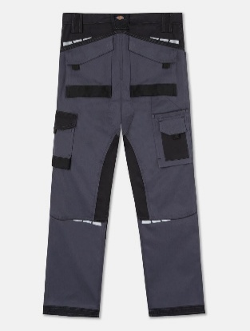 | NEW GREY/BLACK | PANTS | 198 - APP_BM_PANT/SLACK | GDT PREMIUM TROUSER | 98% COTTON 2% ELASTANE WOVEN | ADULT | MALE | DICKIES | PAKISTAN | €49.50 | €95.00 | 1 | 1 |  |  |  |  |  |  |  |  |  |  | 1
FW | 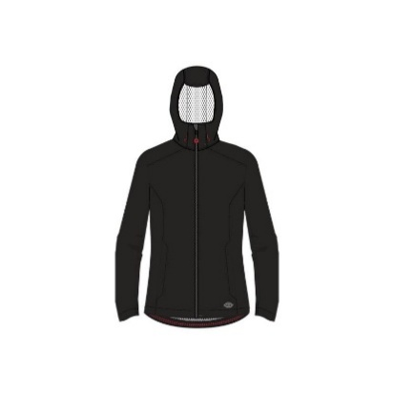 | 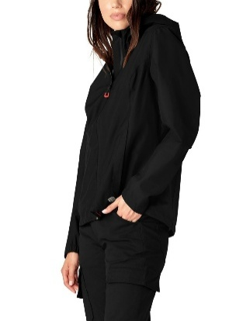 | 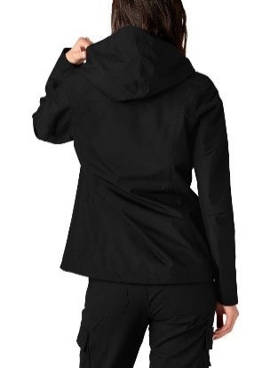 | 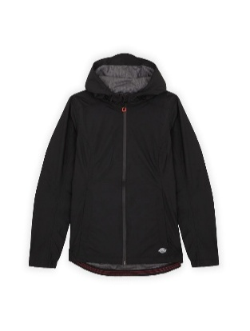 | BLACK | BLOUSON | OUTERWEAR | W PROTECT WATERPROOF JKT | BODY: 100% POLYAMIDE | ADULT | FEMALE | DICKIES | BANGLADESH | €70.25 | €165.00 | 4 | 142 |  | 28 | 18 | 36 | 60
FW | 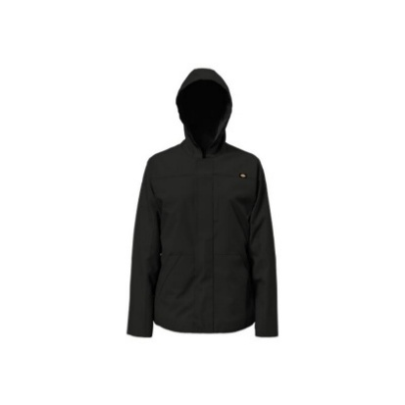 | 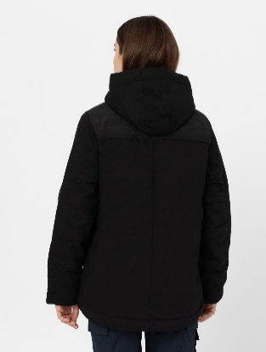 | 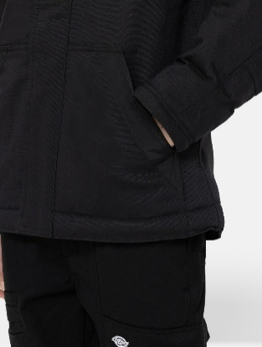 |  | BLACK | BLOUSON | OUTERWEAR | RENEGADE DUCK JACKET | BODY: 63% COTTON / 35% POLYESTER/ 2% ELASTANE | ADULT | FEMALE | DICKIES | BANGLADESH | €63.45 | €139.00 | 3 | 25 |  | 6 | 13 | 6
SS |  |  |  |  | BLACK | BLOUSON | OUTERWEAR | GENERATION JACKET | 100% POLYESTER | ADULT | MALE | DICKIES | CHINA | €54.50 | €109.00 | 3 | 31 |  |  | 12 | 12 | 7
SS |  |  |  |  | TIMBER | BLOUSON | OUTERWEAR | RENEGADE DCK JKT | BODY: 63% COTTON / 35% POLYESTER/ 2% ELASTANE | ADULT | MALE | DICKIES | BANGLADESH | €69.50 | €139.00 | 3 | 53 |  |  | 21 | 17 | 15
SS |  |  |  |  | NEW GREY/BLACK | BLOUSON | OUTERWEAR | GENERATION JACKET | 100% POLYESTER | ADULT | MALE | DICKIES | CHINA | €54.50 | €109.00 | 1 | 1 |  |  | 1
FW |  |  |  |  | BLACK | DOWN VEST | OUTERWEAR | GEN HYBRID B/W | BODY: 100% POLYAMIDE | ADULT | MALE | DICKIES | BANGLADESH | €44.50 | €89.00 | 3 | 188 |  |  | 53 | 59 | 76
NO INFO |  |  |  |  | FIRED BRICK | HAT | ACCESSORIES | TWILL DAD HAT NUBUCK | 100% COTTON | ADULT | UNISEX | DICKIES | CHINA | €9.50 | €25.00 | 1 | 72 | 72
FW |  |  |  |  | BLACK | SCARF | NECKWEAR | DICKIES TEMP IQ GAITER | 94% POLYESTER 6% ELASTANE | ADULT | MALE | DICKIES | PHILIPPINES | €9.00 | €17.00 | 1 | 288 | 288

